Cover Sheet
Northern Ireland House Price Index - Verified Sales Numbers
The tables in this document are a record of the quarterly number of verified sales as published in each report between Q1 2012 and Q2 2026
Verified Sales are defined as sales reported to HMRC via Stamp Duty Land Tax returns which could be matched to a property in the NI Valuation List
A number of sales were counted as verified sales in the Q1 2012 and Q2 2012 report which should not have been included as they related to the sale of lands, sites and non domestic properties. Refined matching and validation processes introduced in Q3 2012 identified these sales and they were removed from the cohort of verified sales used to calculate the house price index from Q3 2012 onwards.
A number of duplicate sales were counted as verified sales up to Q2 2014. Refined validation processes introduced in Q2 2014 identified the duplicate sales and these were removed from the cohort of verified sales used to calculate the house price index from Q2 2014 onwards. | 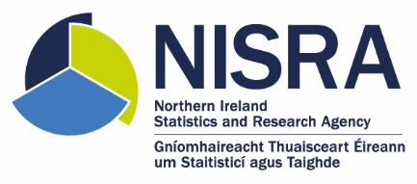
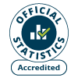
Information on the price of new dwellings sold has been available since Q1 2016. Verified sales numbers for new dwellings for the most recent two quarters are not yet at a reliable level for reporting, so they are not included in the report.
The sale of a new dwelling is defined as the first sale of a new property in the NI Valuation List. All sales which do not meet this definition are considered to be sales of existing/pre-owned dwellings.
Verified Sales numbers for each Local Government District were first published in Q3 2015
Our statistical practice is regulated by the Office for Statistics Regulation (OSR)
Contact Details Ciara Cunningham Land and Property Services
LPS.ValuationStatistics@finance-ni.gov.uk
The tables in this workbook were published on 19 August 2026 Figures for July - September 2026 will be published on 18 November 2026
Contains public sector information licensed under the Open Government Licence v3.0.

